Assumptions
MODEL ASSUMPTIONS
Delete Notes
Company Identity |  |  | Base Year Financials ($M) |  |  | Segment Configuration
Company Name |  |  | Revenue | 0 |  | Segment Count | 1
Current Price ($) | 0 |  | COGS | 0 |  | Use Segment-Level GM? (1/0) | 1
Restore Prev Notes
Shares Outstanding (M) | 0.0 |  | Gross Profit | 0 |  | Use YoY GM? (1/0) | 1
Cash & Equivalents ($M) | 0 |  | R&D | 0
Total Debt ($M) | 0 |  | S&M | 0 |  | Segment 1
 |  |  | G&A | 0 |  | Name |  | Base Rev ($M) | 0 | Seg GM | 0.0%
Asset Heavy Mode
Time Horizon |  |  | Total OpEx | 0 |  |  | Y1 | Y2 | Y3 | Y4 | Y5 | Y6 | Y7 | Y8 | Y9 | Y10 | Y11
Base Year | 2025 |  | Operating Income | 0 |  | Growth | 0.0% | 0.0% | 0.0% | 0.0% | 0.0% | 0.0% | 0.0% | 0.0% | 0.0% | 0.0% | 0.0%
Forecast End Year | 2035 |  | Other Income | 0 |  | Gross Margin | 0.0% | 0.0% | 0.0% | 0.0% | 0.0% | 0.0% | 0.0% | 0.0% | 0.0% | 0.0% | 0.0%
Perpetuity Years | 52 |  | Pre-Tax Income | 0
 |  |  | Net Income | 0 |  | Segment 2
Margins & Expenses |  |  | D&A | 0 |  | Name |  | Base Rev ($M) | 0 | Seg GM | 0.0%
Gross Margin | 0.00% |  | SBC | 0 |  |  | Y1 | Y2 | Y3 | Y4 | Y5 | Y6 | Y7 | Y8 | Y9 | Y10 | Y11
Tax Rate | 0.00% |  | CapEx | 0 |  | Growth | 0.0% | 0.0% | 0.0% | 0.0% | 0.0% | 0.0% | 0.0% | 0.0% | 0.0% | 0.0% | 0.0%
R&D % | 0.00% |  | Current Assets | 0 |  | Gross Margin | 0.0% | 0.0% | 0.0% | 0.0% | 0.0% | 0.0% | 0.0% | 0.0% | 0.0% | 0.0% | 0.0%
S&M % | 0.00% |  | Current Liabilities | 0
G&A % | 0.00% |  |  |  |  | Segment 3
CapEx % | 0.00% |  |  |  |  | Name |  | Base Rev ($M) | 0 | Seg GM | 0.0%
D&A % | 0.00% |  |  |  |  |  | Y1 | Y2 | Y3 | Y4 | Y5 | Y6 | Y7 | Y8 | Y9 | Y10 | Y11
SBC % | 0.00% |  |  |  |  | Growth | 0.0% | 0.0% | 0.0% | 0.0% | 0.0% | 0.0% | 0.0% | 0.0% | 0.0% | 0.0% | 0.0%
 |  |  |  |  |  | Gross Margin | 0.0% | 0.0% | 0.0% | 0.0% | 0.0% | 0.0% | 0.0% | 0.0% | 0.0% | 0.0% | 0.0%
Share Dynamics
Annual Dilution % | 0.00% |  |  |  |  | Segment 4
Buyback Yield % | 0.00% |  |  |  |  | Name |  | Base Rev ($M) | 0 | Seg GM | 0.0%
 |  |  |  |  |  |  | Y1 | Y2 | Y3 | Y4 | Y5 | Y6 | Y7 | Y8 | Y9 | Y10 | Y11
Working Capital |  |  |  |  |  | Growth | 0.0% | 0.0% | 0.0% | 0.0% | 0.0% | 0.0% | 0.0% | 0.0% | 0.0% | 0.0% | 0.0%
Use Working Capital? (1/0) | 0 |  |  |  |  | Gross Margin | 0.0% | 0.0% | 0.0% | 0.0% | 0.0% | 0.0% | 0.0% | 0.0% | 0.0% | 0.0% | 0.0%
NWC % of Revenue | 0.00%

Detailed Working Capital |  |  |  |  |  | Asset-Heavy Mode
Use Detailed NWC? (1/0) | 1 |  |  |  |  | FixedCOGS + (VarCOGSPct * BaseRevenue) ≈ actual base-year COGS. Mismatch = Year 1 discontinuity.
DSO (Days Sales Outstanding) | 0 |  |  |  |  | Toggle
DIO (Days Inventory Outstanding) | 0 |  |  |  |  | UseAssetHeavy (1=On, 0=Off) | 1
DPO (Days Payable Outstanding) | 0
Base Receivables ($M) | 0 |  |  |  |  | Fixed + Variable Cost Structure
Base Inventory ($M) | 0 |  |  |  |  | Fixed Cost Inflation | 0.00%
Base Payables ($M) | 0 |  |  |  |  | Fixed COGS ($M) | 0
 |  |  |  |  |  | Variable COGS (% of Rev) | 0.00%
Valuation Parameters |  |  |  |  |  | Fixed R&D ($M) | 0
Discount Rate (flat) | 0.00% |  |  |  |  | Variable R&D (% of Rev) | 0.00%
Terminal Growth Rate | 0.00% |  |  |  |  | Fixed S&M ($M) | 0
TV Method (1=Perp, 2=Gordon, 3=Exit) | 1 |  |  |  |  | Variable S&M (% of Rev) | 0.00%
Use WACC? (1=Yes) | 0 |  |  |  |  | Fixed G&A ($M) | 0
Risk-Free Rate | 0.00% |  |  |  |  | Variable G&A (% of Rev) | 0.00%
Equity Risk Premium | 0.00%
Beta | 0.00 |  |  |  |  | PP&E Schedule
Cost of Debt (pre-tax) | 0.00% |  |  |  |  | Base PP&E ($M) | 0
ROIC | 0.00% |  |  |  |  | PP&E Useful Life (Years) | 0
Max (ROIC Cap) | 0.0% |  |  |  |  | Maint CapEx (% of Net PP&E) | 0.00%
 |  |  |  |  |  | Growth CapEx Factor ($/$ Rev) | 0.00%
DCF & Capital Structure
DCF Basis (1=Cash, 2=UFCF) | 1
Exit Multiple (EV/UFCF) | 0
Use Target Cap Struct? (1/0) | 0
Target Debt/Equity | 0.0%
Debt Amort % p.a. | 0.00%

SCENARIO ADJUSTMENTS

Flat Adjustments | Bull | Base | Bear
Revenue Adj | 0.00% | 0.00% | 0.00%
Gross Margin Adj | 0.00% | 0.00% | 0.00%
Tax Rate Adj | 0.00% | 0.00% | 0.00%
Discount Rate Adj | 0.00% | 0.00% | 0.00%
Terminal Growth Adj | 0.00% | 0.00% | 0.00%
CapEx Adj | 0.00% | 0.00% | 0.00%
Probability | 25% | 50% | 25%
Decay Rate | 0.00% | 0.00% | 0.00%

Year-Level Scenario Overrides
 | Y1 | Y2 | Y3 | Y4 | Y5 | Y6 | Y7 | Y8 | Y9 | Y10 | Y11
Bull — Growth Adj | 0.00% | 0.00% | 0.00% | 0.00% | 0.00% | 0.00% | 0.00% | 0.00% | 0.00% | 0.00% | 0.00%
Bull — GM Adj | 0.00% | 0.00% | 0.00% | 0.00% | 0.00% | 0.00% | 0.00% | 0.00% | 0.00% | 0.00% | 0.00%
Base — Growth Adj | 0.00% | 0.00% | 0.00% | 0.00% | 0.00% | 0.00% | 0.00% | 0.00% | 0.00% | 0.00% | 0.00%
Base — GM Adj | 0.00% | 0.00% | 0.00% | 0.00% | 0.00% | 0.00% | 0.00% | 0.00% | 0.00% | 0.00% | 0.00%
Bear — Growth Adj | 0.00% | 0.00% | 0.00% | 0.00% | 0.00% | 0.00% | 0.00% | 0.00% | 0.00% | 0.00% | 0.00%
Bear — GM Adj | 0.00% | 0.00% | 0.00% | 0.00% | 0.00% | 0.00% | 0.00% | 0.00% | 0.00% | 0.00% | 0.00%

MONTE CARLO SIMULATION

MC Iterations | 10,000 |  |  |  |  | MC Correlations & Dynamics
Custom Input 1 | 0 |  |  |  |  | Margin↔Growth Corr | 0.25
Custom Input 2 | 0 |  |  |  |  | Growth↔DR Corr | -0.60
 |  |  |  |  |  | AR(1) Autocorrelation | 0.25
Variable | Distribution | Param 1 | Param 2 | Param 3 |  | Mean-Reversion Speed | 0.50
Seg 1 Growth | PERT | 0.00% | 0.00% | 0.00%
Seg 2 Growth | PERT | 0.00% | 0.00% | 0.00%
Seg 3 Growth | PERT | 0.00% | 0.00% | 0.00% |  | MC Shock Phases
Seg 4 Growth | PERT | 0.00% | 0.00% | 0.00% |  | Phase 1 End Year | 3
Gross Margin | PERT | 0.00% | 0.00% | 0.00% |  | Phase 2 End Year | 6
Tax Rate | PERT | 0.00% | 0.00% | 0.00%
Discount Rate | Normal | 0.00% | 0.00% | 0.00% |  | Phase | Near-term | Uncertain | Terminal
TGR | PERT | 0.00% | 0.00% | 0.00% |  | Distribution | PERT | PERT | PERT
CapEx % | PERT | 0.00% | 0.00% | 0.00% |  | P1 (min) | 0.00% | 0.00% | 0.00%
D&A % | PERT | 0.00% | 0.00% | 0.00% |  | P2 (mode) | 0.00% | 0.00% | 0.00%
SBC % | PERT | 0.00% | 0.00% | 0.00% |  | P3 (max) | 0.00% | 0.00% | 0.00%
OpEx % | PERT | 0.00% | 0.00% | 0.00%
Custom 1 | PERT | 0.00% | 0.00% | 0.00%
Custom 2 | PERT | 0.00% | 0.00% | 0.00%

MC_Histogram
Sandisk Corporation - Cash Proxy DCF IVPS Distribution
Sandisk Corporation - Cash Proxy DCF IVPS (10000 iter)
Distribution Data
Bin Mid | Count | Frequency %
$729 | 199 | 1.99%
$791 | 167 | 1.67%
$852 | 216 | 2.16%
$914 | 306 | 3.06%
$976 | 356 | 3.56%
$1,037 | 438 | 4.38%
$1,099 | 476 | 4.76%
$1,161 | 463 | 4.63%
$1,222 | 483 | 4.83%
$1,284 | 478 | 4.78%
$1,346 | 473 | 4.73%
$1,407 | 529 | 5.29%
$1,469 | 451 | 4.51%
$1,531 | 456 | 4.56%
$1,593 | 430 | 4.30%
$1,654 | 397 | 3.97%
$1,716 | 333 | 3.33%
$1,778 | 327 | 3.27%
$1,839 | 288 | 2.88%
$1,901 | 315 | 3.15%
$1,963 | 230 | 2.30%
$2,024 | 227 | 2.27%
$2,086 | 206 | 2.06%
$2,148 | 186 | 1.86%
$2,209 | 174 | 1.74%
$2,271 | 141 | 1.41%
$2,333 | 143 | 1.43%
$2,394 | 122 | 1.22%
$2,456 | 109 | 1.09%
$2,518 | 90 | 0.90%
$2,579 | 94 | 0.94%
$2,641 | 77 | 0.77%
$2,703 | 49 | 0.49%
$2,764 | 51 | 0.51%
$2,826 | 50 | 0.50%
$2,888 | 47 | 0.47%
$2,950 | 41 | 0.41%
$3,011 | 36 | 0.36%
$3,073 | 33 | 0.33%
$3,135 | 31 | 0.31%
$3,196 | 28 | 0.28%
$3,258 | 25 | 0.25%
$3,320 | 21 | 0.21%
$3,381 | 19 | 0.19%
$3,443 | 21 | 0.21%
$3,505 | 22 | 0.22%
$3,566 | 12 | 0.12%
$3,628 | 9 | 0.09%
$3,690 | 12 | 0.12%
$3,751 | 113 | 1.13%

Qualitative
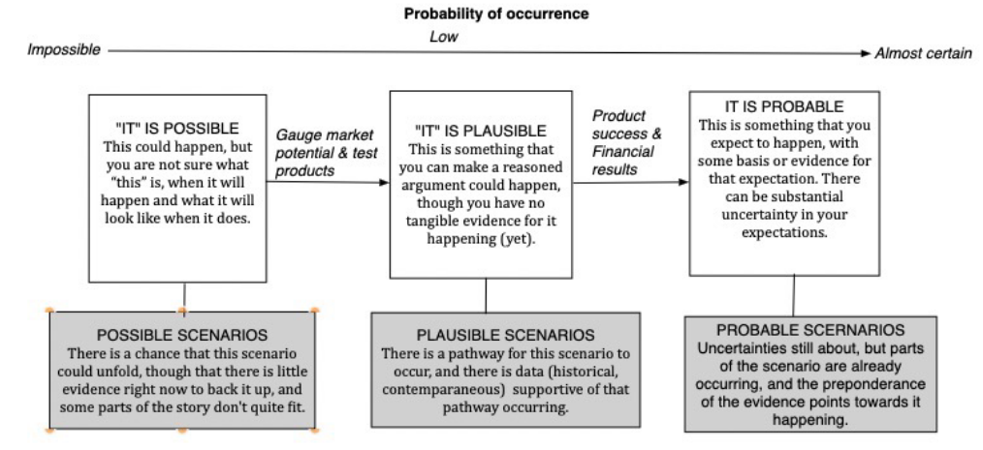
Qualitative Analysis
About
 |  | Bear Case
Founded
CEO
CFO
CBO

Strengths | Weaknesses

 |  | Bull Case

Opportunities | Threats

 |  |  | Assumptions -->

 |  |  | Dashboard -->
Valuable | Imitable

Rare | Substitutable

